Lyons 2017 (Native)
Defect Name | Chargestate Name |  |  | Charge | dHo = formation energy without any chemical or Ef contribution. Usually dH for Ef at valence band edge. dH is composed in the calculations as dH=dHo +q*Ef - sum(dm_i*mu_i) | how many Ga added? | how many N added? |  | Citation
N antisite | N_Ga^{+3} |  |  | 3 | 7.9449431389 | -1 | 1 |  | write the authors, journal, issue, page nad year for the paper where the number came from
 | N_Ga^{+2} |  |  | 2 | 8.3657192317 | -1 | 1
 | N_Ga^{+1} |  |  | 1 | 9.8382563536 | -1 | 1
 | N_Ga^{0} |  |  | 0 | 11.517726486 | -1 | 1 |  | J. L. Lyons and C. G. Van de Walle, “Computationally predicted energies and properties of defects in GaN,” npj Comput Mater, vol. 3, no. 1, pp. 1–10, Mar. 2017, doi: 10.1038/s41524-017-0014-2.
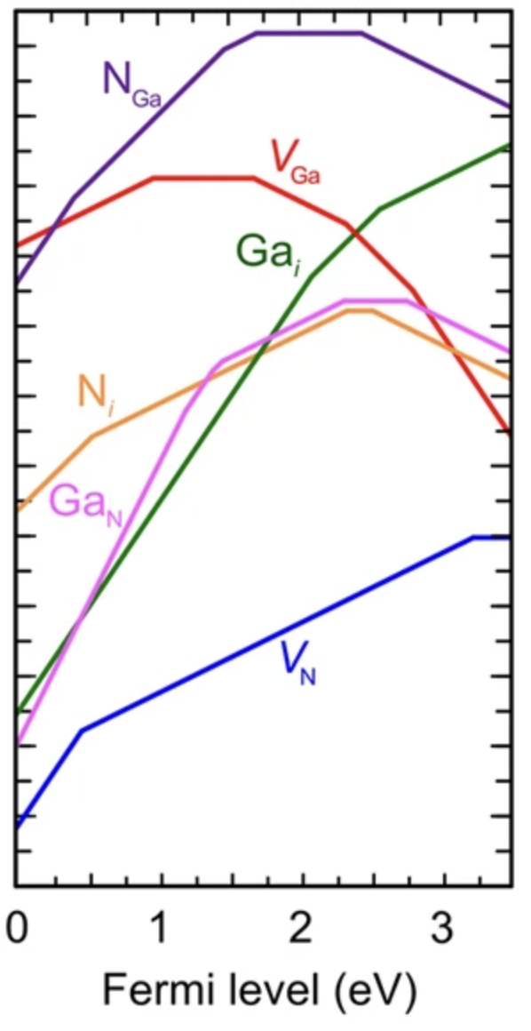
 | N_Ga^{-1} |  |  | -1 | 13.935129976 | -1 | 1
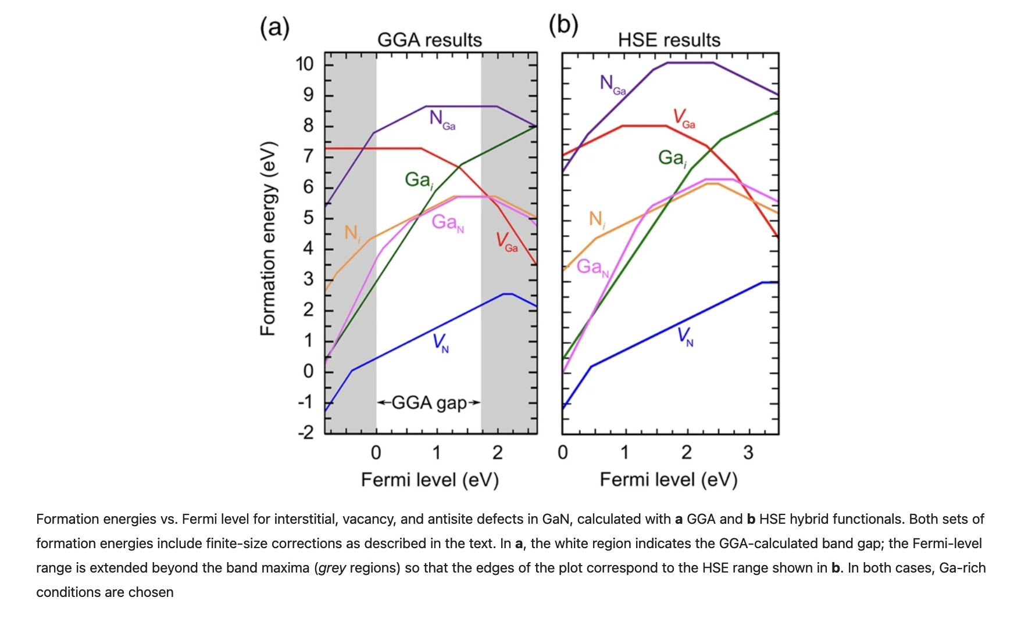
Ga vacancy | V_Ga^{+1} |  |  | 1 | 7.1479572636 | -1 | 0
 | V_Ga^{0} |  |  | 0 | 8.1084824005 | -1 | 0
 | V_Ga^{-1} |  |  | -1 | 9.7692383509 | -1 | 0
 | V_Ga^{-2} |  |  | -2 | 12.072226025 | -1 | 0
 | V_Ga^{-3} |  |  | -3 | 14.838493188 | -1 | 0

Ga interstitial | Ga_i^{+3} |  |  | 3 | 0.47735051772 | 1 | 0
 | Ga_i^{+2} |  |  | 2 | 2.5792812521 | 1 | 0
 | Ga_i^{+1} |  |  | 1 | 5.1273883296 | 1 | 0

N interstitial | N_i^{+2} |  |  | 2 | 4.6776723254 | 0 | 1
 | N_i^{+1} |  |  | 1 | 5.2283267346 | 0 | 1
 | N_i^{0} |  |  | 0 | 7.5613740458 | 0 | 1
 | N_i^{-1} |  |  | -1 | 10.059693517 | 0 | 1

Ga antisite | Ga_N^{+4} |  |  | 4 | -1.3427201777 | 1 | -1
 | Ga_N^{+3} |  |  | 3 | -0.14540759941 | 1 | -1
 | Ga_N^{+2} |  |  | 2 | 1.2455787855 | 1 | -1
 | Ga_N^{+1} |  |  | 1 | 2.7127123448 | 1 | -1
 | Ga_N^{0} |  |  | 0 | 5.018778626 | 1 | -1 |  | 1. data validation
 | Ga_N^{-1} |  |  | -1 | 7.7552382648 | 1 | -1 |  | 2. determine formation enthalpy |  |  | -1.34
 |  |  |  |  |  |  |  |  | 3. extract H*
N vacancy | V_N^{+3} |  |  | 3 | -2.5119256809 | 0 | -1
 | V_N^{+1} |  |  | 1 | -1.5763581625 | 0 | -1
 | V_N^{0} |  |  | 0 | 1.6398038084 | 0 | -1

POINTS
X | Y | Equation |  | slopes | intercepts |  |  | Slope change points
N antisite |  |  |  |  |  |  |  | X | Y | deltaX | deltaY
0.0062111801242 | 6.6231967686 | y = 3x + | 3 | 3.0019114253 | 6.604551356 | 6.6049431389 |  | 0.40372670807 | 7.8165031737 | -8.881784197E-16 | 0
0.40372670807 | 7.8165031737 | y = 2x + 6.996227085 | 2 | 2.0317607733 | 6.9962270851 | 7.0257192317 |  | 1.4534161491 | 9.949221004 | 2.4424906542E-15 | 0
1.4534161491 | 9.949221004 | y = x + 8.463935372 | 1 | 1.0219272937 | 8.4639353722 | 8.4982563536 |  | 1.6770186335 | 10.177726486 | 0 | 0
1.6770186335 | 10.177726486 | y = 10.17772649 | 0 | 0 | 10.177726486 | 10.177726486 |  | 2.4223602484 | 10.177726486 | 0 | 0
2.4223602484 | 10.177726486 | y = -x + 12.62337753 | -1 | -1.0096149167 | 12.623377526 | 12.595129976
3.4534161491 | 9.1367570687

Ga vacancy
0.012422360248 | 7.1563762262 | y =x + 7.143848513 | 1 | 1.008480882 | 7.1438485134 | 7.1479572636 |  | 0.95652173913 | 8.1084824005 | 0 | 0
0.95652173913 | 8.1084824005 | y = 8.1084824 | 0 | 0 | 8.1084824005 | 8.1084824005 |  | 1.6645962733 | 8.1084824005 | 0 | 0
1.6645962733 | 8.1084824005 | y = -x + 9.793063266 | -1 | -1.0120056695 | 9.7930632665 | 9.7692383509 |  | 2.3043478261 | 7.461050202 | 0 | 0
2.3043478261 | 7.461050202 | y = -2x + 12.04520869 | -2 | -1.9893517984 | 12.045208694 | 12.072226025 |  | 2.7701863354 | 6.5343335257 | 0 | 0
2.7701863354 | 6.5343335257 | y = -3x + 14.89726147 | -3 | -3.0189044823 | 14.897261471 | 14.838493188
3.4472049689 | 4.4904789383

Ga interstitial
0.012422360248 | 0.47893825736 | y = 3x + .4412387 | 3 | 3.0348143874 | 0.44123869975 | 0.47735051772 |  | 2.0621118012 | 6.6993652626 | 0 | 0
2.0621118012 | 6.6993652626 | y = 2x + 2.539444399 | 2 | 2.0173110214 | 2.5394443986 | 2.5792812521 |  | 2.5403726708 | 7.6641661858 | 0 | 0
2.5403726708 | 7.6641661858 | y = x + 5.103652705 | 1 | 1.0079282897 | 5.1036527046 | 5.1273883296
3.4472049689 | 8.5781881131

N interstitial
0.038623675516 | 3.4045801527 | y = 2x + 3.325714286 | 2 | 2.0419047619 | 3.3257142857 | 3.3376723254 |  | 0.53210094565 | 4.4122137405 | 0 | 0
0.53210094565 | 4.4122137405 | y = x + 3.875236836 | 1 | 1.0091635982 | 3.8752368355 | 3.8883267346 |  | 2.3248333713 | 6.2213740458 | 0 | 0
2.3248333713 | 6.2213740458 | y = 6.221374046 | 0 | 0 | 6.2213740458 | 6.2213740458 |  | 2.5039378489 | 6.2213740458 | 0 | 0
2.5039378489 | 6.2213740458 | y = -x + 8.754910333 | -1 | -1.011820756 | 8.754910333 | 8.7196935171
3.4545331548 | 5.2595419847

Ga antisite
0.035568816224 | 0.12977099237 | y = 4x + (- 0.013105676) | 4 | 4.016908168 | -0.01310567605 | -0.0027201777373 |  | 1.1928905093 | 4.7786259542 | 0 | 0
1.1928905093 | 4.7786259542 | y = 3x + 1.26326919 | 3 | 2.9469232396 | 1.2632691901 | 1.1945924006 |  | 1.3949384756 | 5.3740458015 | 0 | 0
1.3949384756 | 5.3740458015 | y = 2x + 2.525714286 | 2 | 2.0419047619 | 2.5257142857 | 2.5855787855 |  | 1.4622308306 | 5.5114503817 | 0 | 0
1.4622308306 | 5.5114503817 | y = x + 4.037064341 | 1 | 1.0083127844 | 4.0370643415 | 4.0527123448 |  | 2.3025734875 | 6.358778626 | 0 | 0
2.3025734875 | 6.358778626 | y = 6.358778626 | 0 | 0 | 6.358778626 | 6.358778626 |  | 2.7391406517 | 6.358778626 | 0 | 0
2.7391406517 | 6.358778626 | y = -x + 9.11876535 | -1 | -1.0076104424 | 9.1187653497 | 9.0952382648
3.4437022901 | 5.6488549618

N vacancy
0.012422360248 | -1.1459896134 | y = 3x + (-1.183895061) | 3 | 3.051388539 | -1.1838950611 | -1.1719256809 |  | 0.45341614907 | 0.19965377957 | 0 | 2.4980018054E-16
0.45341614907 | 0.19965377957 | y = x + (-0.25951127) | 1 | 1.0126790829 | -0.25951127044 | -0.23635816252 |  | 3.198757764 | 2.9798038084 | 0 | 0
3.198757764 | 2.9798038084 | y = 2.979803808 | 0 | 0 | 2.9798038084 | 2.9798038084
3.4472049689 | 2.9798038084

Lyons 2014 (C)
Defect Name | Chargestate Name |  | Charge | dHo = formation energy without any chemical or Ef contribution. Usually dH for Ef at valence band edge. dH is composed in the calculations as dH=dHo +q*Ef - sum(dm_i*mu_i) | how many Ga added? | how many N added? | Citation
C substition Ga | C_Ga^{+1} |  | 1 | 2.644439937 | -1 | 0 | write the authors, journal, issue, page nad year for the paper where the number came from

 |  |  |  |  |  |  | https://journals.aps.org/prb/abstract/10.1103/PhysRevB.89.035204#f1
C substitution N | C_N^{+1} |  | 1 | 1.246677924 | 0 | -1
 | C_N^{0} |  | 0 | 1.616124314 | 0 | -1
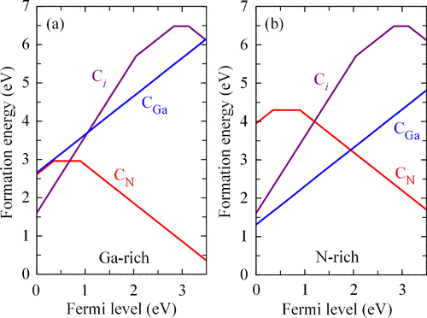
 | C_N^{-1} |  | -1 | 2.517423779 | 0 | -1
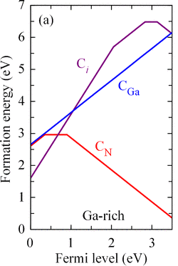

C interstitial | C_i^{+2} |  | 2 | 1.592240094 | 0 | 0
 | C_i^{+1} |  | 1 | 3.642731641 | 0 | 0
 | C_i^{0} |  | 0 | 6.475319927 | 0 | 0
 | C_i^{-1} |  | -1 | 9.599474999 | 0 | 0

 |  |  |  |  |  |  |  | Validation
Points |  |  |  |  |  |  |  | Slope Change Points
X | Y | Slope | Charge | Intercept (calculated purely from points) | Intercept (calc. from points and charge as slope) |  |  | X | Y | delta X | delta Y
0.020172910663 | 2.6617915905 | 1.0016357163 | 1 | 2.6415856827 | 2.644439937 |  |  | N/A | N/A | N/A | N/A
3.469740634 | 6.1170018282

0.020172910663 | 2.6106032907 | 0.97874118569 | 1 | 2.5908592322 | 2.5866779236 |  |  | 0.37319884726 | 2.9561243144 | 0 | 0
0.37319884726 | 2.9561243144 | 0 | 0 | 2.9561243144 | 2.9561243144 |  |  | 0.90778097983 | 2.9561243144 | 0 | 0
0.90778097983 | 2.9561243144 | -1.0050399685 | -1 | 3.8684804818 | 3.8574237786
3.4798270893 | 0.37111517367

0.020172910663 | 1.6380255941 | 1.9946337781 | 2 | 1.5977880251 | 1.592240094 |  |  | 2.0475504323 | 5.6819012797 | 0 | 0
2.0475504323 | 5.6819012797 | 1.021581709 | 1 | 3.5901612099 | 3.6427316408 |  |  | 2.8242074928 | 6.4753199269 | 0 | 0
2.8242074928 | 6.4753199269 | 0 | 0 | 6.4753199269 | 6.4753199269 |  |  | 3.1268011527 | 6.4753199269 | 0 | 0
3.1268011527 | 6.4753199269 | -1.0149908592 | -1 | 9.6489945155 | 9.5994749986
3.4798270893 | 6.1170018282

Pasquarello 2016 (Mg)
Defect Name | Chargestate Name | Charge | dHo = formation energy without any chemical or Ef contribution. Usually dH for Ef at valence band edge. dH is composed in the calculations as dH=dHo +q*Ef - sum(dm_i*mu_i) | how many Ga added? | how many N added? | Citation
Mg antisite | Mg_Ga^{-1} | -1 | 2.4 | -1 | 0 | write the authors, journal, issue, page nad year for the paper where the number came from
 | Mg_Ga^{0} | 0 | 2 | -1 | 0
 |  |  |  |  |  | G. Miceli and A. Pasquarello, “Self-compensation due to point defects in Mg-doped GaN,” Phys. Rev. B, vol. 93, no. 16, p. 165207, Apr. 2016, doi: 10.1103/PhysRevB.93.165207.
N vacancy | V_N^{0} | 0 | 4.70 | 0 | -1
 | V_N^{+1} | 1 | 1.10 | 0 | -1
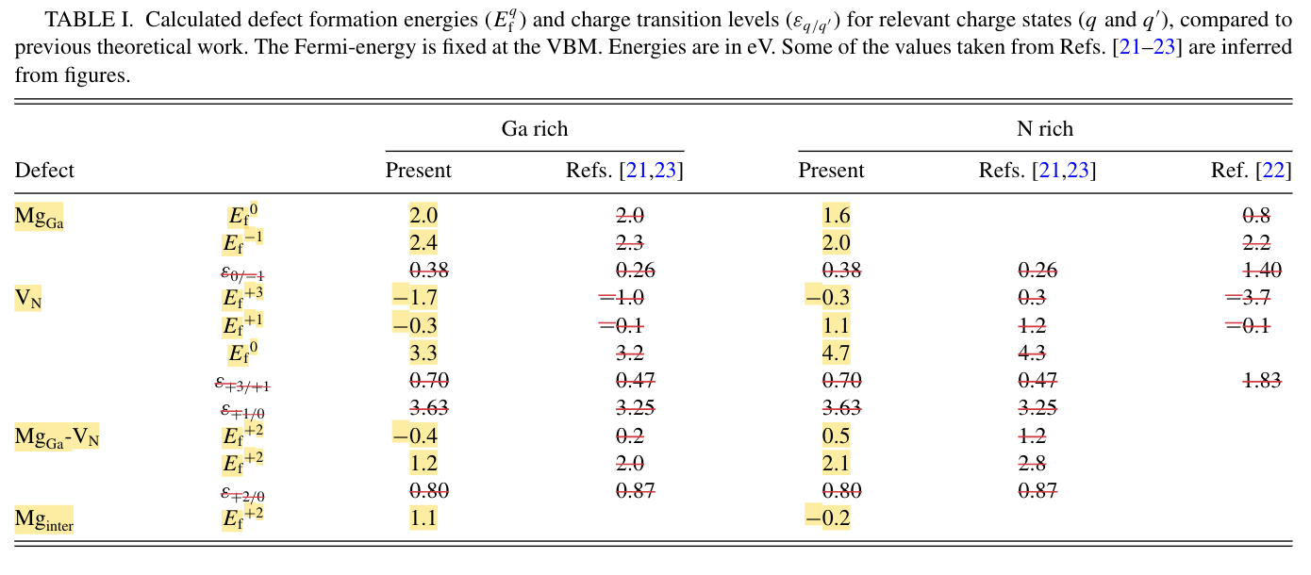
 | V_N^{+3} | 3 | -0.30 | 0 | -1

Mg interstitial | Mg_i^{+2} | 2 | 1.10 | 0 | 0

Lyons 2014 (Si)
Defect Name | Chargestate Name |  | Charge | dHo = formation energy without any chemical or Ef contribution. Usually dH for Ef at valence band edge. dH is composed in the calculations as dH=dHo +q*Ef - sum(dm_i*mu_i) | how many Ga added? | how many N added? | Citation
Si substitution Ga | Si_Ga^{+1} |  | 1 | -3.202357742 | -1 | 0 | write the authors, journal, issue, page nad year for the paper where the number came from

 |  |  |  |  |  |  | https://www.researchgate.net/profile/John-L-Lyons/publication/223012158_Hybrid_functional_calculations_of_DX_centers_in_AlN_GaN_and_AlGaN/links/55bf738708aec0e5f4475936/Hybrid-functional-calculations-of-DX-centers-in-AlN-GaN-and-AlGaN.pdf
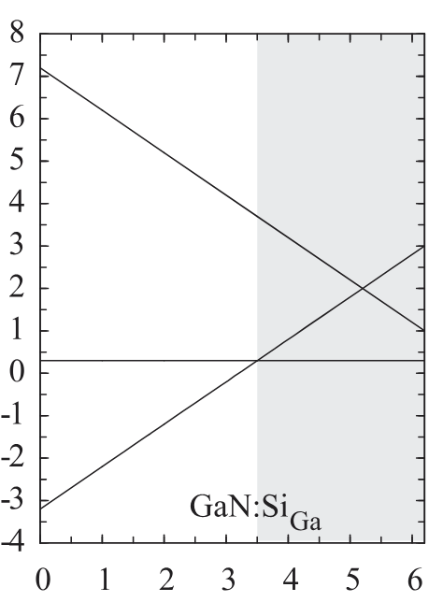

 |  |  |  |  |  |  |  | Validation
Points |  |  |  |  |  |  |  | Slope Change Points
X | Y | Slope | Charge | Intercept (calculated purely from points) | Intercept (calc. from points and charge as slope) |  |  | X | Y | delta X | delta Y
0.014962593516 | -3.1709635003 | 0.99462991776 | 1 | -3.1858457435 | -3.202357742 |  |  | N/A | N/A | N/A | N/A
6.1346633416 | 2.9158739515

